Consolidated Sales P & L
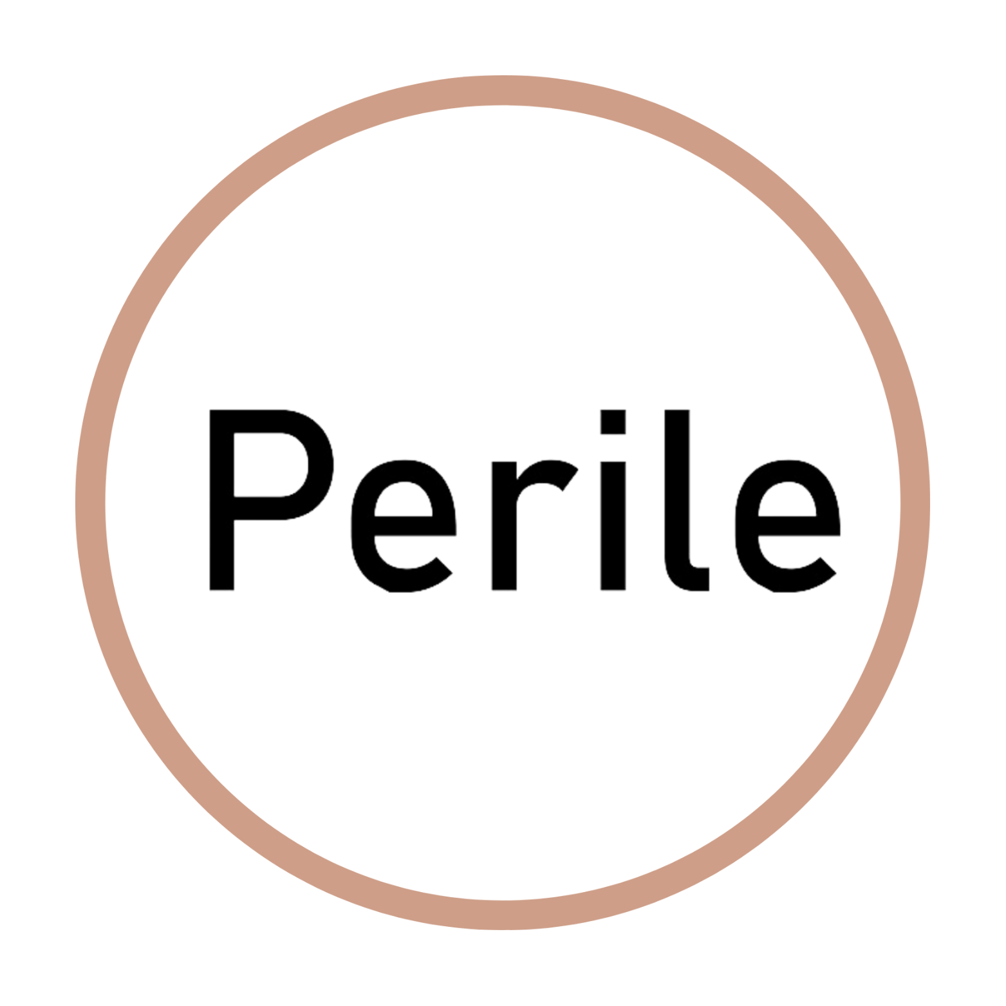
P & L Summary | 1 Year Contract

Volume | 59050

Gross Sales | R800,285.00
Allowances | R60,021.38
Net Sales | R740,263.63
COGS | R283,370.00
Gross Margin | R456,893.63
Labour cost | R144,000.00
Water and electricity | R6,000.00
Transport cost | R12,000.00
Project Manager Cost | R90,000.00
Admin and Ration Costs | R36,000.00
Total G & A | R288,000.00
EBITA | R168,893.63

